Cutting Calculations
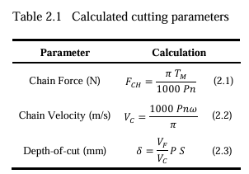
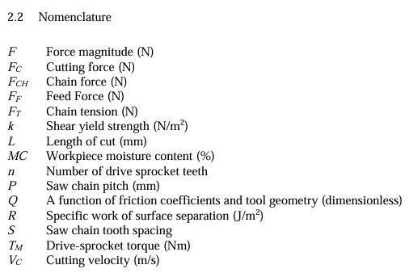
Calculations |  | Nomenclature | Units | Variable | Value
Chain Force | 0.002617993878 | Drive-sprocket torque | Nm | Tm | 100
Chain Velocity | 38197.186342 | Saw chain pitch | mm | P | 4
Depth of Cut | 32 | Drive-sprocket teeth | # | n | 30
 |  | Drive-sprocket angular velocity | radians/s | w | 1
 |  | Feed velocity | m/s | Vf | 0.03
 |  | Cutting velocity | m/s | Vc | 0.03
 |  | Saw chain tooth spacing | # | S | 8

 |  |  |  |  |  | Performance Attributes
 |  |  |  |  |  | Number of standard cuts
 |  |  |  |  |  | Time of cut
 |  |  |  |  |  | Weight
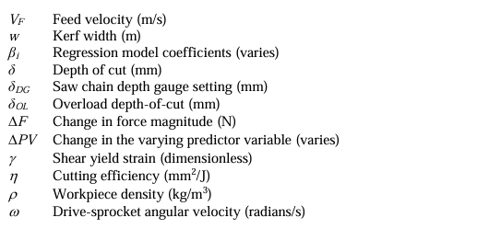

 |  |  |  |  |  | Design Variables
 |  |  |  |  |  | Battery Capacity
 |  |  |  |  |  | Motor Torque
 |  |  |  |  |  | Grip Length
 |  |  |  |  |  | Drive-sprocket angular velocity
 |  |  |  |  |  | Bar Length

 |  |  |  |  |  | Fix
 |  |  |  |  |  | Saw chain pitch
 |  |  |  |  |  | Saw chain tooth spacing
 |  |  |  |  |  | Sprocket teeth count

Number of Standard Cuts
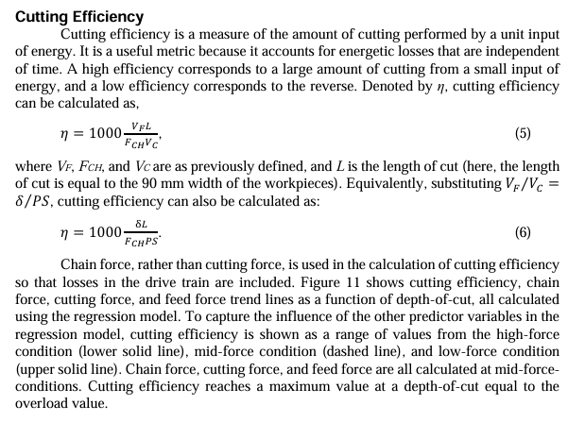
Standard Cut definition
Size of the wood sample
Wood Density
Moisture Content
Energy to make a standard cut
motor efficiency
cutting efficiency
battery capacity

